DOE_2000
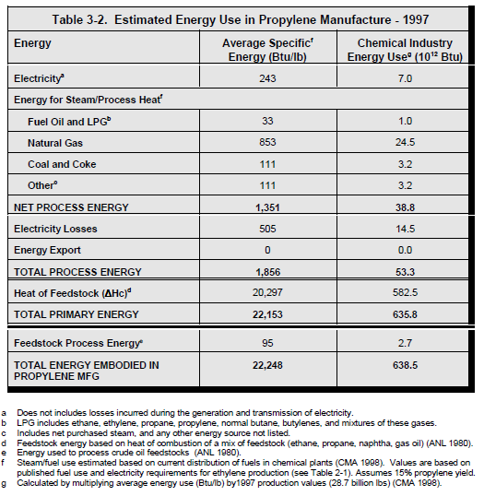
DOE (2000) - Energy and Environmental Profile of the U.S. Chemical Industry
https://www.osti.gov/biblio/773773
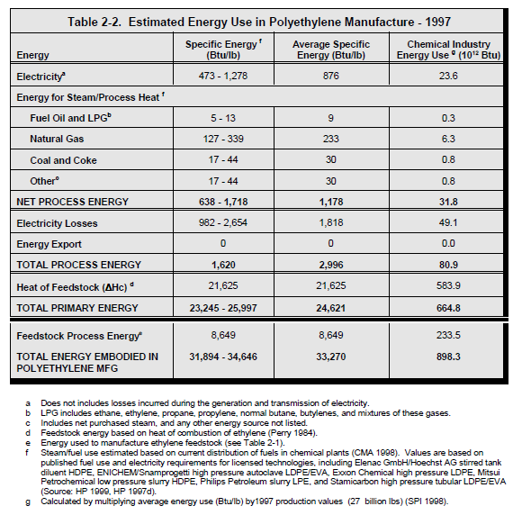
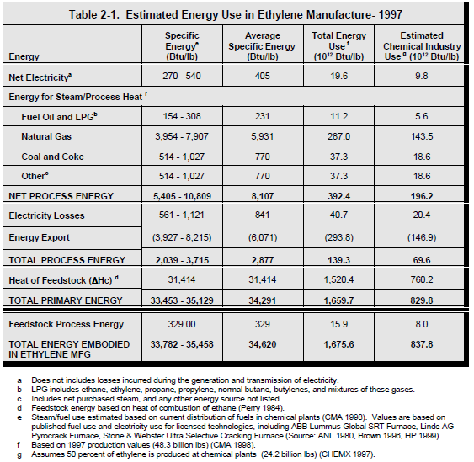
Year | Machine | Process Temperature [C] | Eu.product | Energy intensity [Btu/lb] | Energy intensity [GJ/ton]
1997 | Steam cracking furnace | 850 | HTH.850.C | 7702 | 17.914852805

DOE_2007
DOE (2007) - U.S. Energy requirements for Aluminum production
https://www1.eere.energy.gov/manufacturing/resources/aluminum/pdfs/al_theoretical.pdf

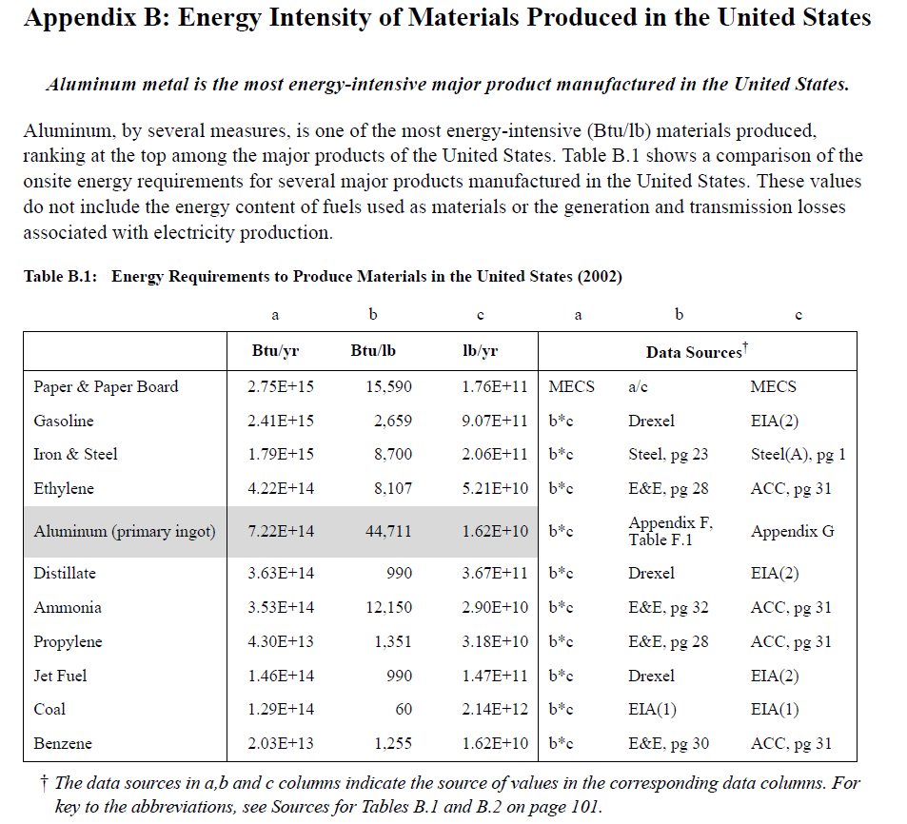
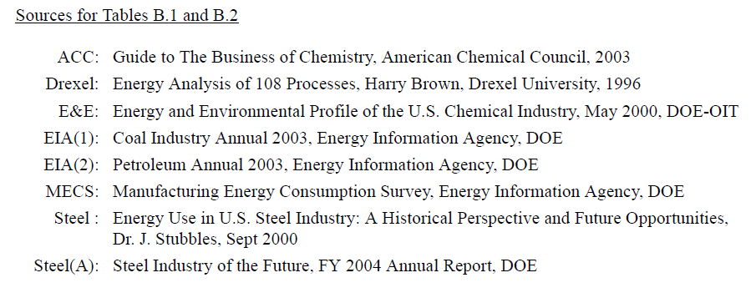
Year | Country | Product | Energy intensity [Btu/lb] | Energy intensity [GJ/ton]
2002 | USA | Ammonia | 12150 | 28.26
2002 | USA | Ethylene | 8107 | 18.86
2002 | USA | Propylene | 1351 | 3.14
2002 | USA | Benzene | 1255 | 2.92
2002 | USA | Distillate | 990 | 2.30

DOE_2015
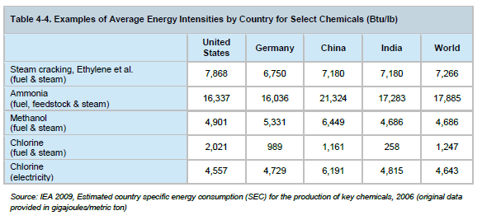
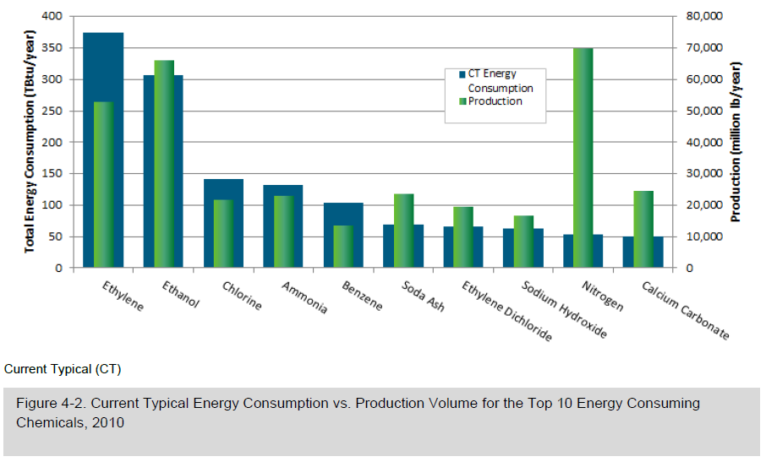
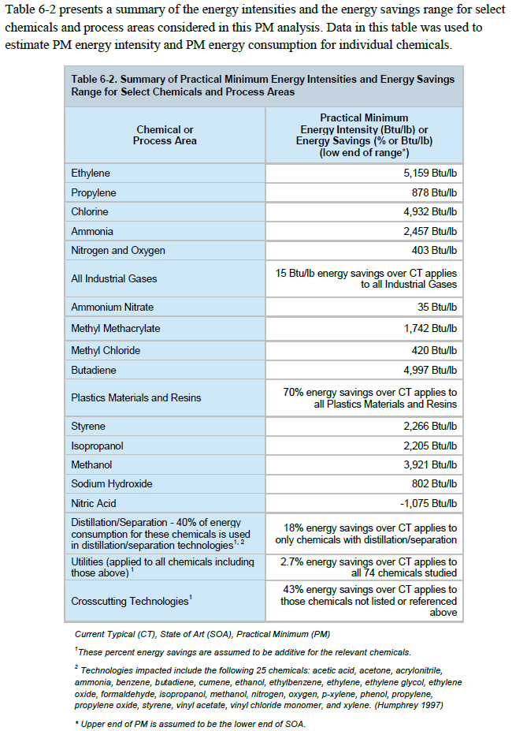
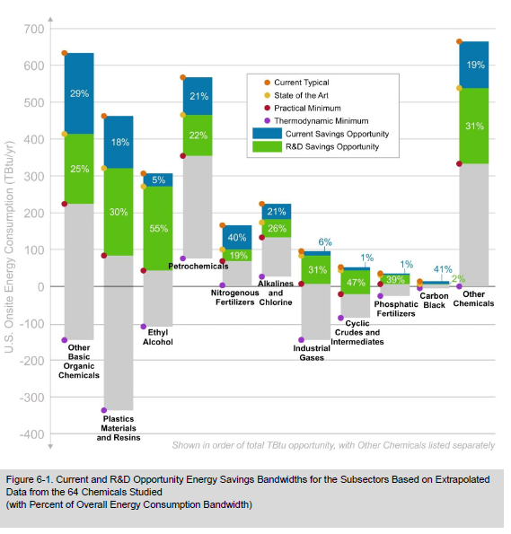
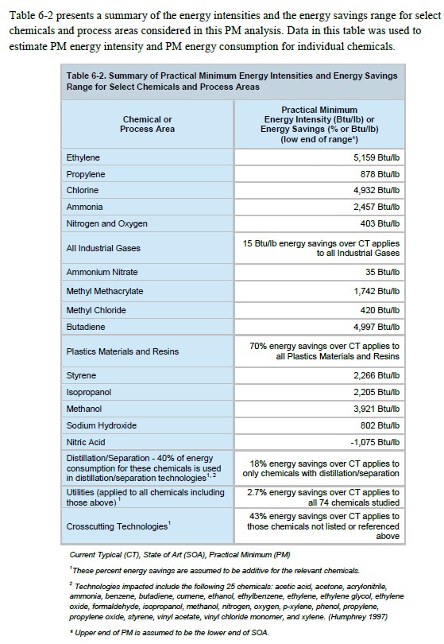
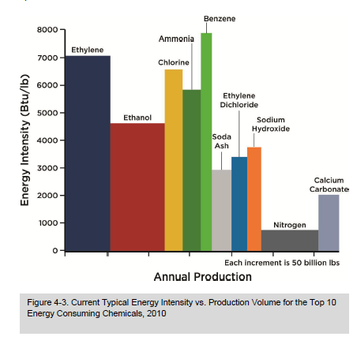
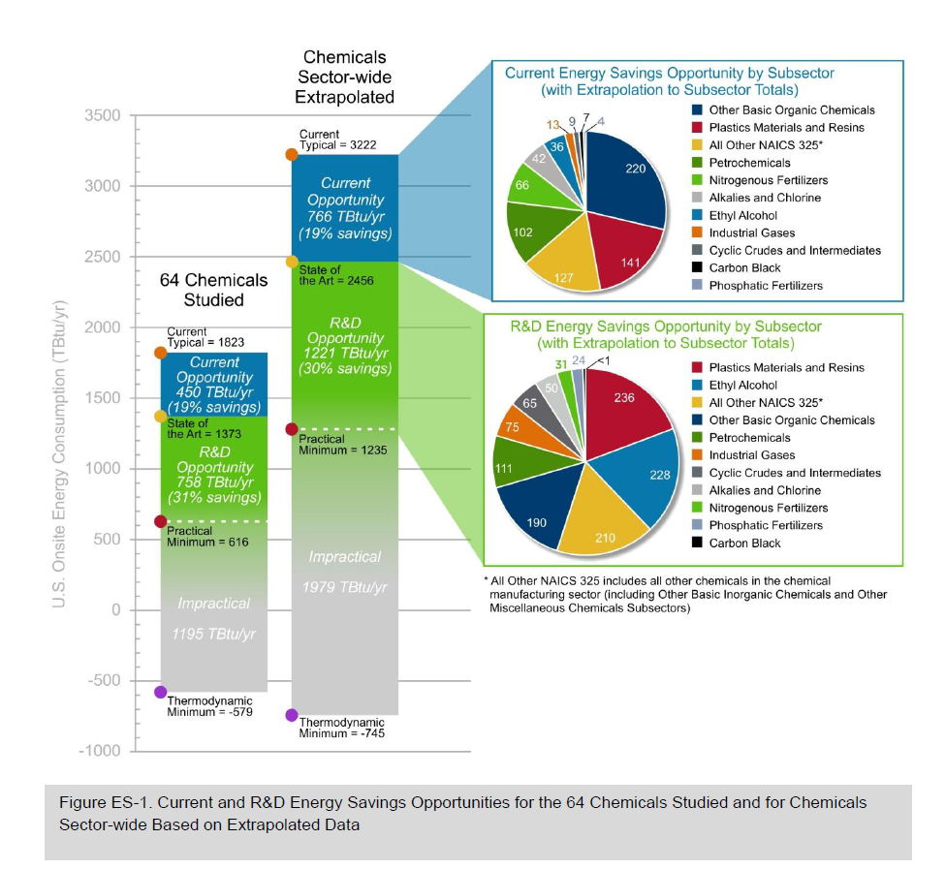
DOE (2015) - Bandwidth Study on Energy Use and Potential Energy Saving Opportunities in U.S. Chemical Manufacturing
https://www.energy.gov/sites/prod/files/2015/08/f26/chemical_bandwidth_report.pdf |  |  |  |  |  |  | btu/lb --> GJ/ton | 0.002326

Country | Year | Machine | Ef.product (consumed) | Product | Eu.product | Energy Intensity [btu/lb] | Energy Intensity [GJ/ton] | Practical minimum [btu/lb] | Practical minimum [GJ/ton] | Thermodynamic minimum [btu/lb] | Thermodynamic minimum [GJ/ton] | Technical Efficiency Limit [%] | Eta.fu [%]
USA | 2009 | Steam cracking furnace | Fuel & Steam | olefins |  | 7868 | 18.300968 | 5047 | 11.739322 | 998 | 2.321348 | 19.77% | 12.68%
DEU | 2009 | Steam cracking furnace | Fuel & Steam | olefins |  | 6750 | 15.7005 | 5047 | 11.739322 | 998 | 2.321348 | 19.77% | 14.79%
CHN | 2009 | Steam cracking furnace | Fuel & Steam | olefins |  | 7180 | 16.70068 | 5047 | 11.739322 | 998 | 2.321348 | 19.77% | 13.90%
IND | 2009 | Steam cracking furnace | Fuel & Steam | olefins |  | 7180 | 16.70068 | 5047 | 11.739322 | 998 | 2.321348 | 19.77% | 13.90%
World | 2009 | Steam cracking furnace | Fuel & Steam | olefins |  | 7266 | 16.900716 | 5047 | 11.739322 | 998 | 2.321348 | 19.77% | 13.74%
USA | 2009 | Ammonia synthesis machine | Fuel & Steam | Ammonia |  | 16337 | 37.999862 | 2457 | 5.714982
DEU | 2009 | Ammonia synthesis machine | Fuel & Steam | Ammonia |  | 16036 | 37.299736 | 2457 | 5.714982
CHN | 2009 | Ammonia synthesis machine | Fuel & Steam | Ammonia |  | 21324 | 49.599624 | 2457 | 5.714982
IND | 2009 | Ammonia synthesis machine | Fuel & Steam | Ammonia |  | 17283 | 40.200258 | 2457 | 5.714982
World | 2009 | Ammonia synthesis machine | Fuel & Steam | Ammonia |  | 17885 | 41.60051 | 2457 | 5.714982
USA | 2009 | Methanol synthesis machine | Fuel & Steam | Methanol |  | 4901 | 11.399726 | 3921 | 9.120246
DEU | 2009 | Methanol synthesis machine | Fuel & Steam | Methanol |  | 5331 | 12.399906 | 3921 | 9.120246
CHN | 2009 | Methanol synthesis machine | Fuel & Steam | Methanol |  | 6449 | 15.000374 | 3921 | 9.120246
IND | 2009 | Methanol synthesis machine | Fuel & Steam | Methanol |  | 4686 | 10.899636 | 3921 | 9.120246
World | 2009 | Methanol synthesis machine | Fuel & Steam | Methanol |  | 4686 | 10.899636 | 3921 | 9.120246
USA | 2009 | Chlorine synthesis machine | Fuel & Steam | Chlorine |  | 2021 | 4.700846 | 4932 | 11.471832
DEU | 2009 | Chlorine synthesis machine | Fuel & Steam | Chlorine |  | 989 | 2.300414 | 4932 | 11.471832
CHN | 2009 | Chlorine synthesis machine | Fuel & Steam | Chlorine |  | 1161 | 2.700486 | 4932 | 11.471832
IND | 2009 | Chlorine synthesis machine | Fuel & Steam | Chlorine |  | 258 | 0.600108 | 4932 | 11.471832
World | 2009 | Chlorine synthesis machine | Fuel & Steam | Chlorine |  | 1247 | 2.900522 | 4932 | 11.471832
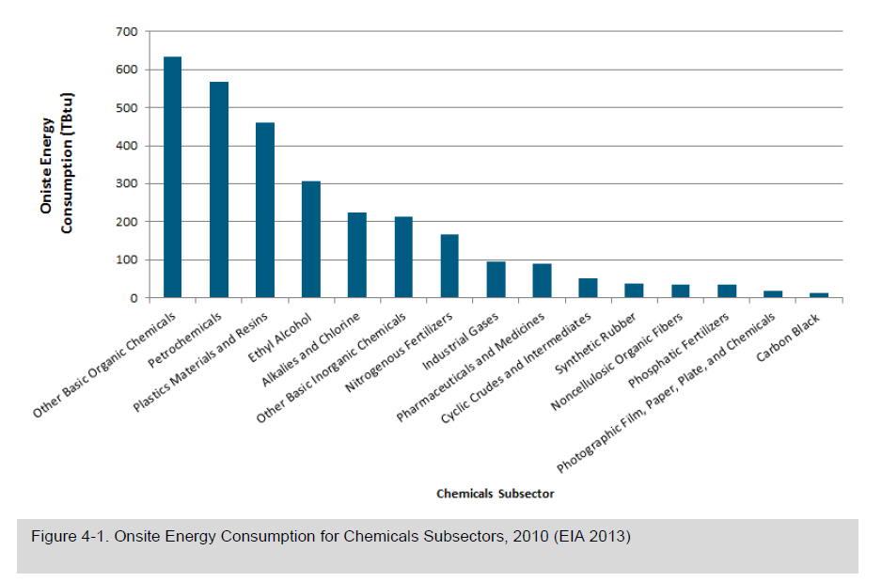
USA | 2009 | Chlorine synthesis machine | Eletricity | Chlorine |  | 4557 | 10.599582 | 4932 | 11.471832
DEU | 2009 | Chlorine synthesis machine | Eletricity | Chlorine |  | 4729 | 10.999654 | 4932 | 11.471832
CHN | 2009 | Chlorine synthesis machine | Eletricity | Chlorine |  | 6191 | 14.400266 | 4932 | 11.471832
IND | 2009 | Chlorine synthesis machine | Eletricity | Chlorine |  | 4815 | 11.19969 | 4932 | 11.471832
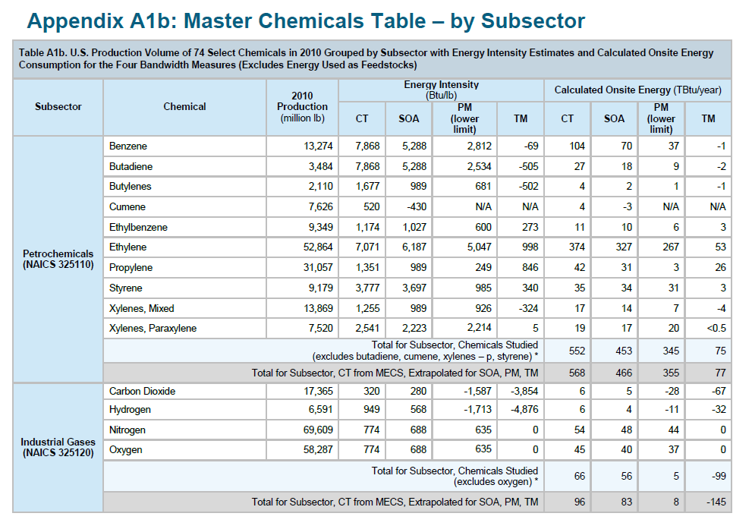
World | 2009 | Chlorine synthesis machine | Eletricity | Chlorine |  | 4643 | 10.799618 | 4932 | 11.471832

Saygin_2011
Saygin et al (2011) - Potential of best practice technology to improve energy efficiency in the globalchemical and petrochemical sector
https://doi.org/10.1016/j.energy.2011.05.019

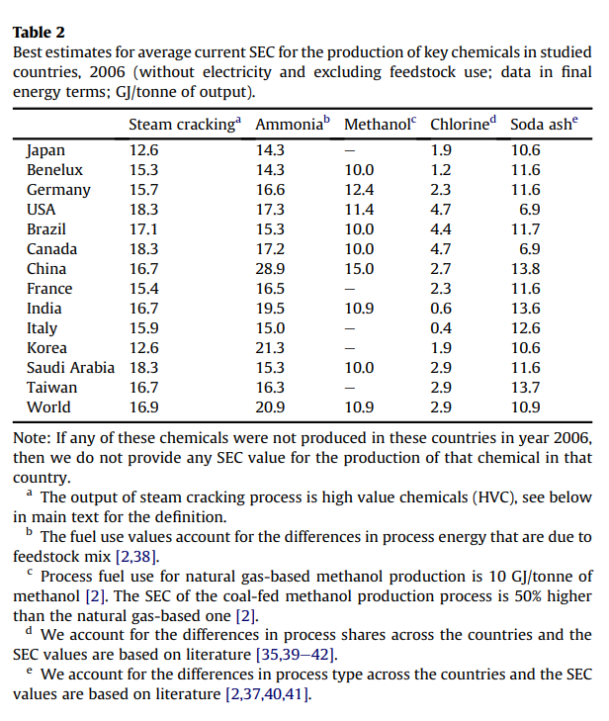
 |  | Energy intensity [GJ/ton]
Country | Year | Steam Cracking | Ammonia | Methanol | Chlorine | Soda ash
JPN | 2006 | 12.6 | 14.3 | - | 1.9 | 10.6
BEL | 2006 | 15.3 | 14.3 | 10 | 1.2 | 11.6
NLD | 2006 | 15.3 | 14.3 | 10 | 1.2 | 11.6
LUX | 2006 | 15.3 | 14.3 | 10 | 1.2 | 11.6
DEU | 2006 | 15.7 | 16.6 | 12.4 | 2.3 | 11.6
USA | 2006 | 18.3 | 17.3 | 11.4 | 4.7 | 6.9
BRA | 2006 | 17.1 | 15.3 | 10 | 4.4 | 11.7
CAN | 2006 | 18.3 | 17.2 | 10 | 4.7 | 6.9
CHN | 2006 | 16.7 | 28.9 | 15 | 2.7 | 13.8
FRA | 2006 | 15.9 | 16.5 | - | 2.3 | 11.6
IND | 2006 | 12.6 | 19.5 | 10.9 | 0.6 | 13.6
ITA | 2006 | 18.3 | 15 | - | 0.4 | 1.6
KOR | 2006 | 16.7 | 21.3 | - | 1.9 | 10.6
SAU | 2006 | 18.3 | 15.3 | 10 | 2.9 | 11.6
TWN | 2006 | 16.7 | 16.3 | - | 2.9 | 13.7
World | 2006 | 16.9 | 20.9 | 10.9 | 2.9 | 10.9

Ren_2008
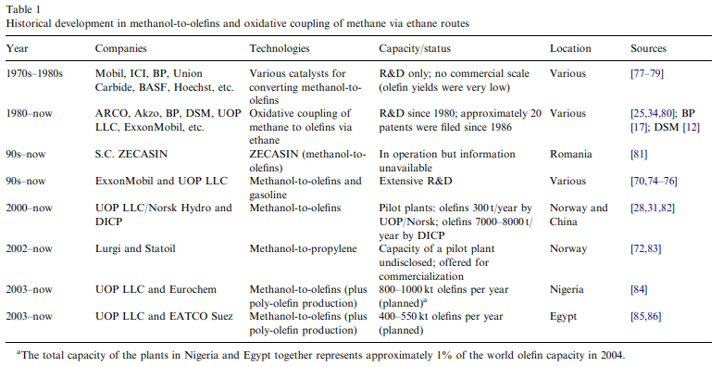
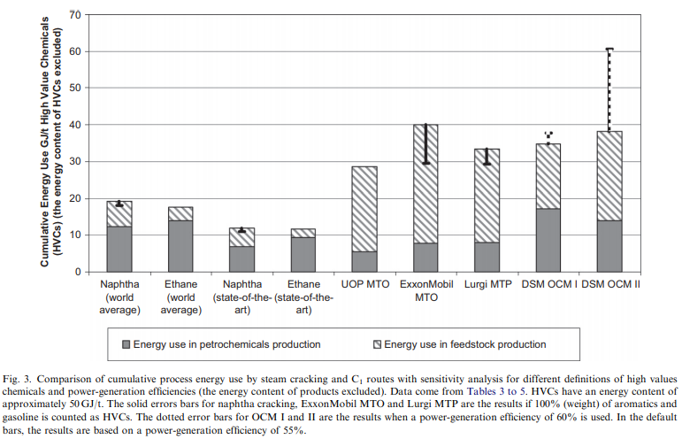
https://doi.org/10.1016/j.energy.2008.01.002

Chen_2018
Chen et al (2018) - Energy technology roadmap for ethylene industry in China
https://doi.org/10.1016/j.apenergy.2018.04.051

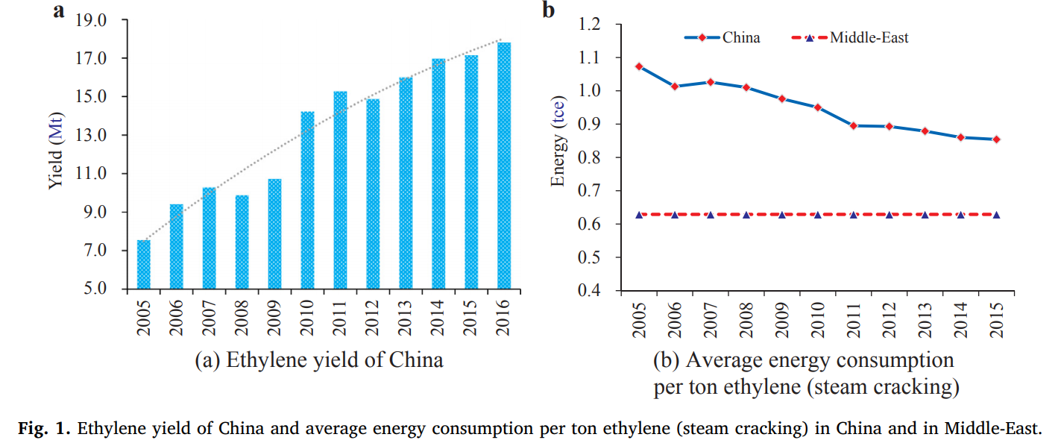
Year | Energy intensity [tce/ton] | Energy intensity [GJ/ton]
2005 | 1.075 | 31.50567
2006 | 1.016 | 29.7765216
2007 | 1.027 | 30.0989052
2008 | 1.01 | 29.600676
2009 | 0.98 | 28.721448
2010 | 0.949 | 27.8129124
2011 | 0.895 | 26.230302
2012 | 0.895 | 26.230302
2013 | 0.882 | 25.8493032
2014 | 0.859 | 25.1752284
2015 | 0.848 | 24.8528448

Berry_1975
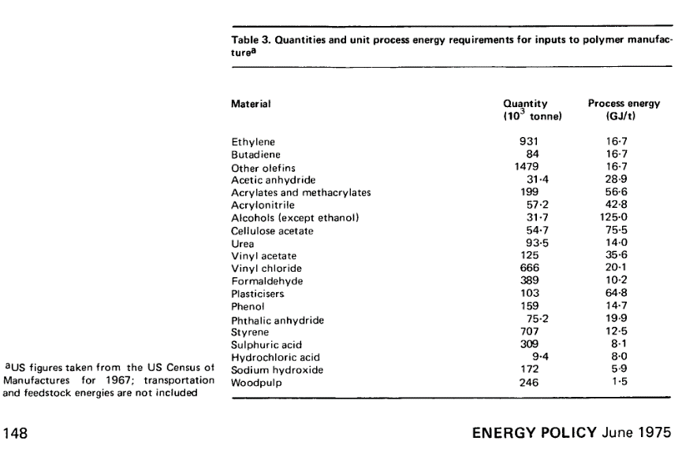
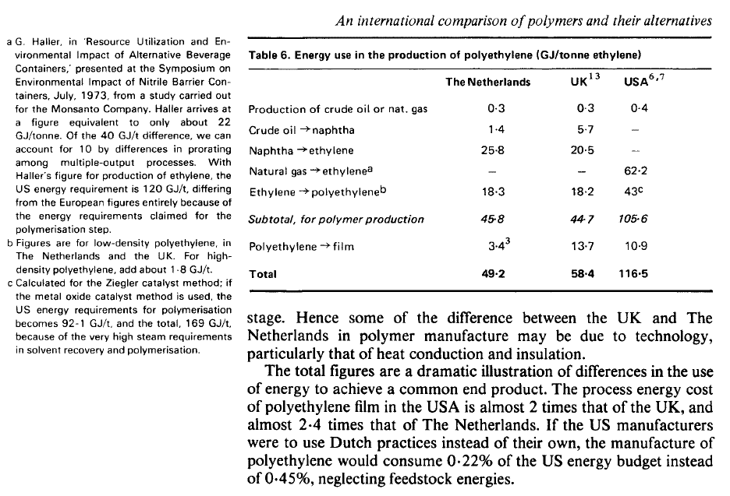
Berry et al (1975) - An international comparison of polymers and their alternatives
https://www.sciencedirect.com/science/article/pii/0301421575900221

Year | Country | Material | Energy Intensity [GJ/ton]
1967 | USA | Ethylene | 16.7

Griffin_2018
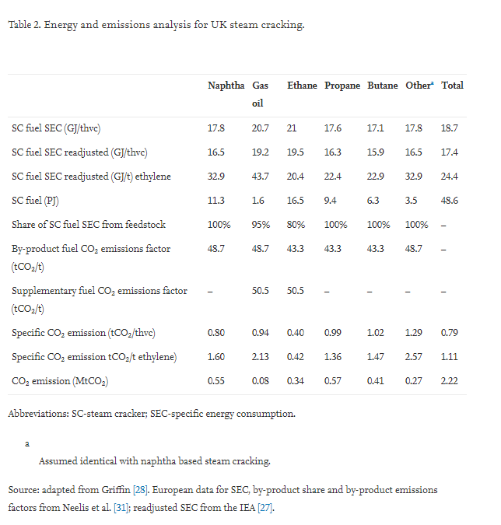
Griffin et al (2018) - Industrial energy use and carbon emissions reduction in the chemicals sector A UK perspective
https://www.sciencedirect.com/science/article/pii/S0306261917310255

Thiruven..._2015
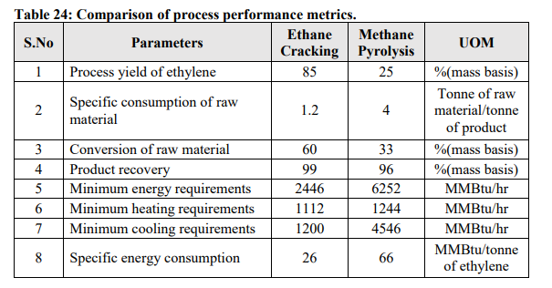
THIRUVENKATASWAMY (2015) - SAFETY AND TECHNO-ECONOMIC ANALYSIS OF ETHYLENE TECHNOLOGIES
https://oaktrust.library.tamu.edu/bitstream/handle/1969.1/155081/THIRUVENKATASWAMY-THESIS-2015.pdf?sequence=1&isAllowed=y

Hamel_1979
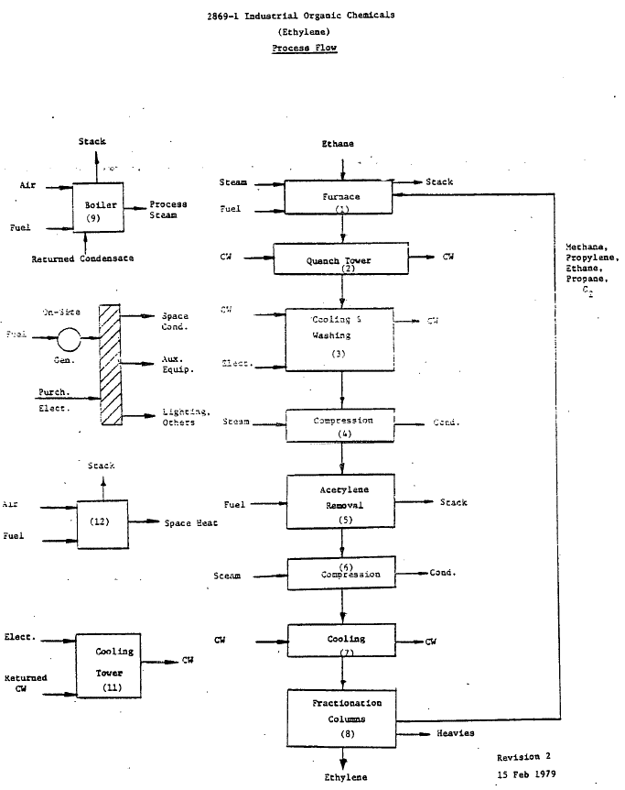
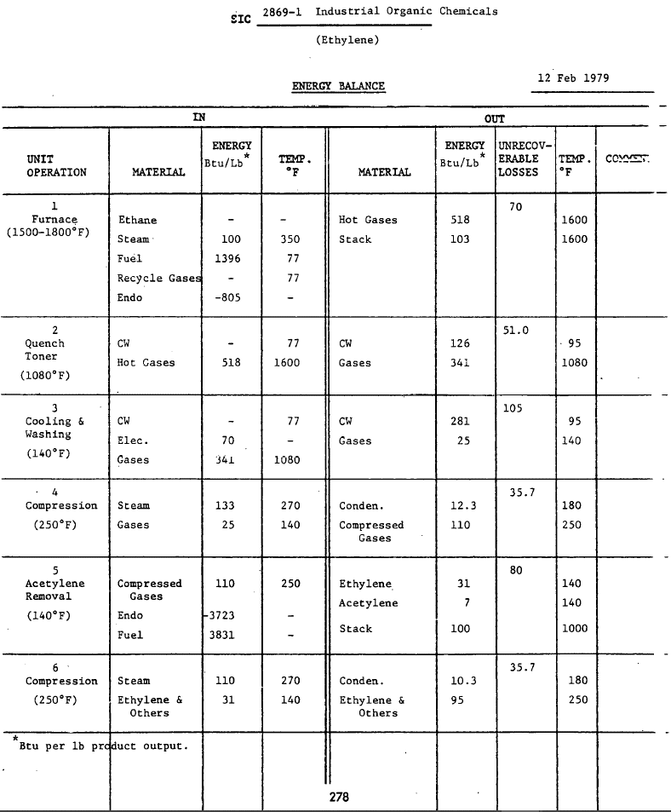
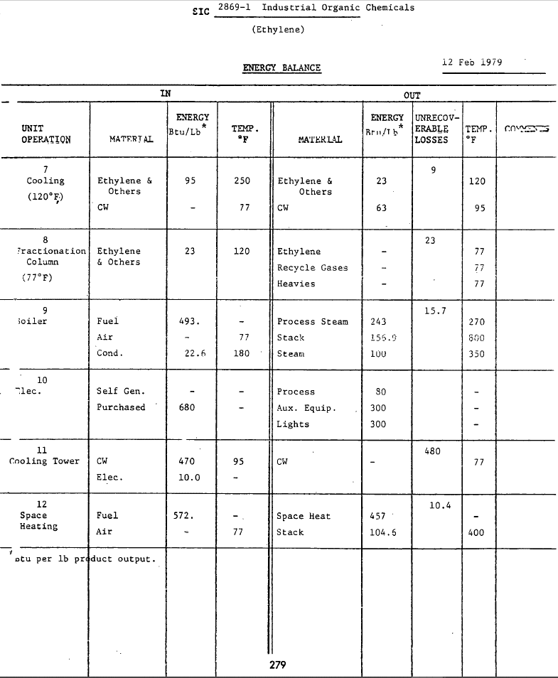
Hamel & Brown (1979) - Energy Analysis of 108 Industrial Processes
https://www.osti.gov/biblio/6201565-energy-analysis-industrial-processes

Year | Machine | Process Temperature [C] | Eu.product | Energy intensity [Btu/lb] | Energy intensity [GJ/ton]
1979 | Steam cracking furnace | 850 | HTH.850.C | 1396 | 3.2470961458

Worrell_2000
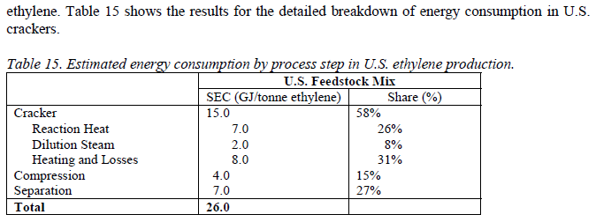
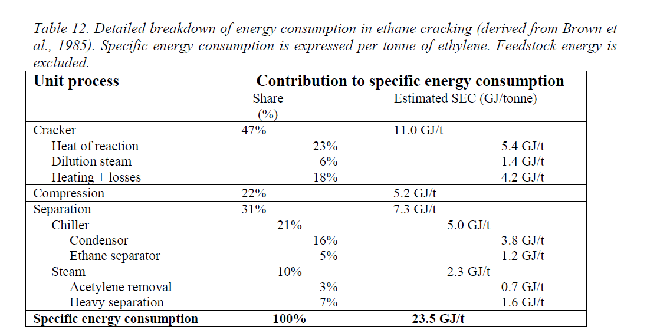
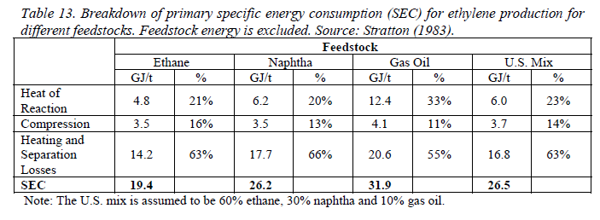
Worrell (2000) - Energy Use and Energy Intensity of the U.S. Chemical Industry
https://www.osti.gov/biblio/773773

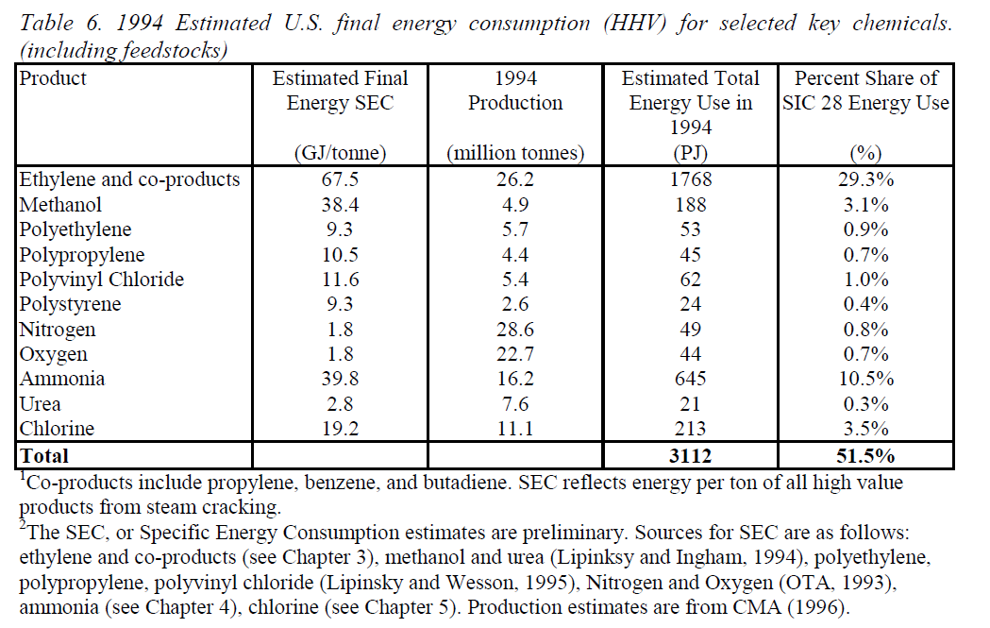
Year | Machine | Process Temperature [C] | Eu.product | Energy intensity [GJ/ton]
1997 | Steam cracking furnace | 850 | HTH.850.C | 26

Neelis_2008
Neelis et al (2008) - Energy Efficiency Improvement and Cost Saving Opportunities for the Petrochemical industry
https://www.osti.gov/servlets/purl/937505
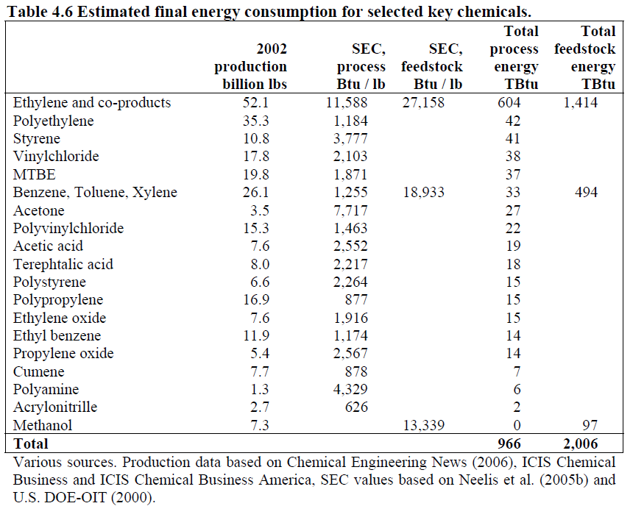
Year | Machine | Process Temperature [C] | Eu.product | Energy intensity [Btu/lb] | Energy intensity [GJ/ton]
1997 | Steam cracking furnace | 850 | HTH.850.C | 11588 | 26.95368921

Fakhroleslam_2020
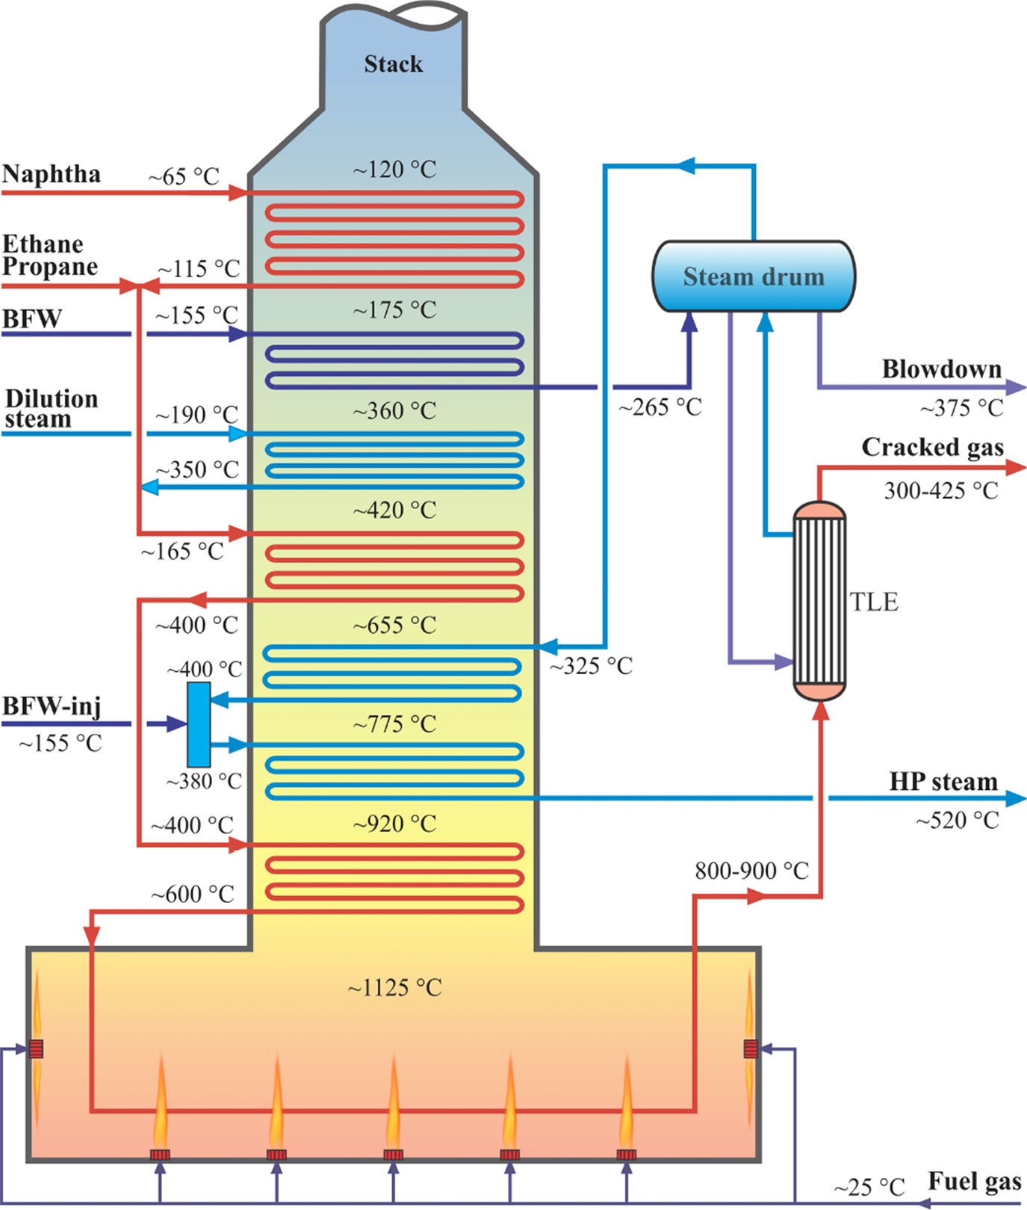
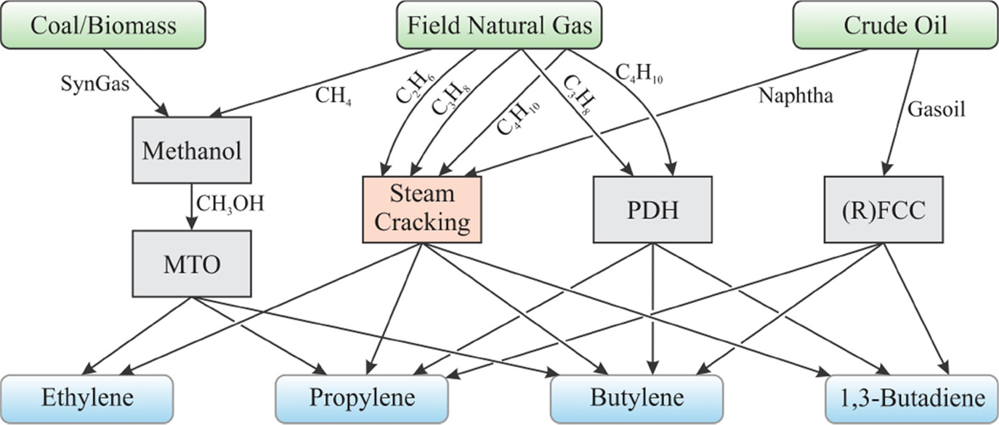
Fakhroleslam & Sadrameli (2020) - Thermal Cracking of Hydrocarbons for the Production of Light Olefins
https://pubs.acs.org/doi/full/10.1021/acs.iecr.0c00923#

Kutz_2011
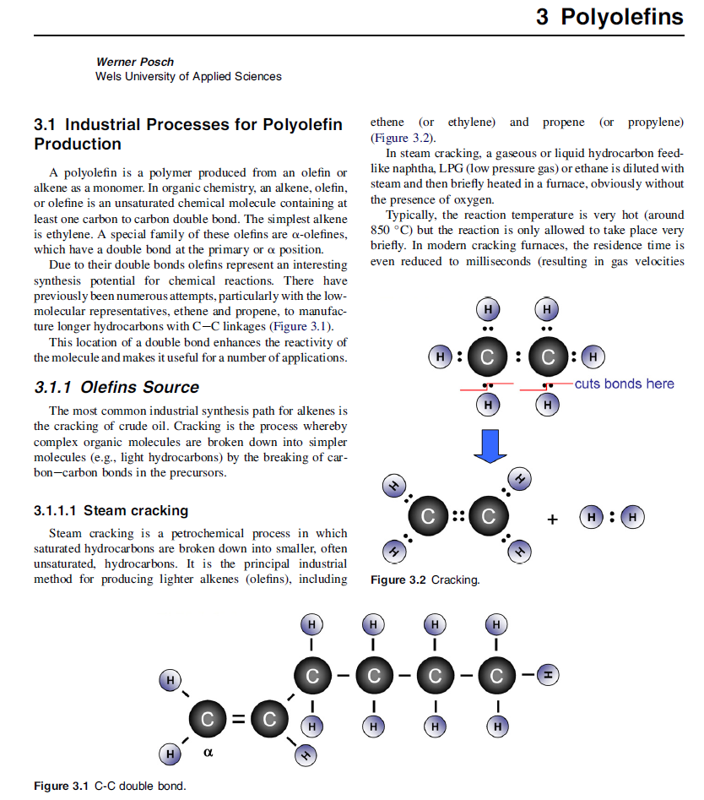
Kutz (2011) - Applied Plastics Engineering Handbook
https://www.sciencedirect.com/book/9781437735147/applied-plastics-engineering-handbook#book-description

Process | Temperature [C] | Temperature [k]
Steam cracking | 850 | 1123.15

